URINATION QUESTIONS
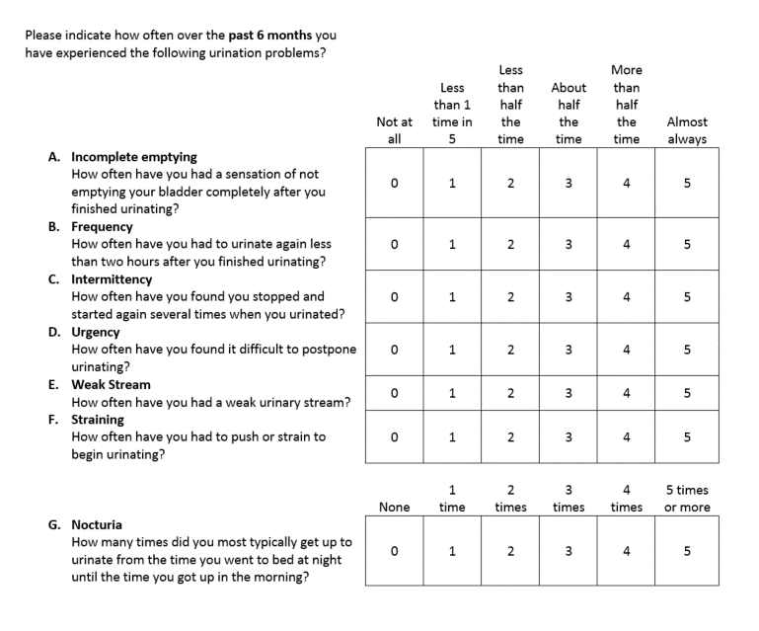

BACK DIAGRAM
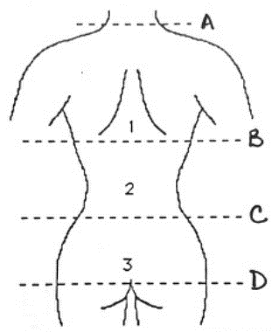
IN WHAT PART OF YOUR BACK IS THE PAIN USUALLY LOCATED (MARK WITH AN 'X')

